Foaie1
S.C. Oradea Transport Local ­ S.A., Oradea str. Atelierelor, nr. 12
Tel: 0259­42.32.45, 0359-80.85.01÷04 , Fax: 0259­42.60.10, CIF : RO 63483, Nr. Reg. Com.: J05/1/1991, E-mail: secretariat@otlra.ro,
Cont : RO05 RNCB 0032 0464 9835 0001 - B.C.R. Oradea Web :www.otlra.ro

Linia 27: Programe valabile din 19 iunie 2021

B-dul Dacia (staţia Spartacus)-C. Borşului-Nicolae Filipescu-Gheorghe Mărdărescu-Petre Carp (Emerson)-Ion Mihalache-Nicolae Filipescu (Eberspaecher) |  |  |  |  |  |  |  |  |  |  |  |  |  |  |  |  |  |  |  |  |  |  |  |  |  |  |  |  |  |  | Nicolae Filipescu (Eberspaecher)-Ion Mihalache-Petre Carp (Emerson)-Ghe. Mărdărescu-Nicolae Filipescu-Calea Borşului-B-dul Dacia (staţia Spartacus)

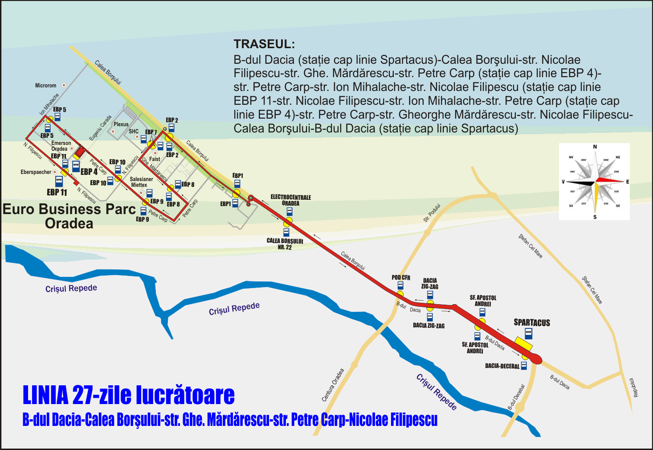
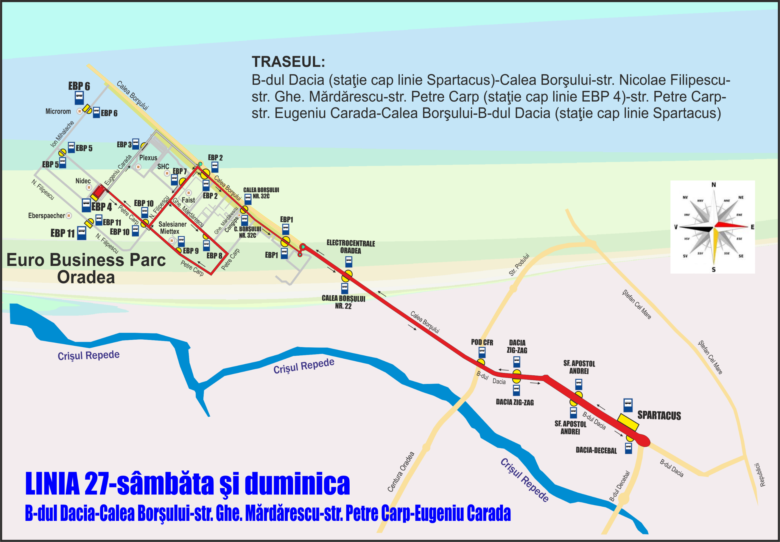

 | CĂLĂTORIE PLĂCUTĂ CU S.C. O.T.L.-S.A. |  |  |  |  |  |  |  |  |  |  |  |  |  |  |  |  |  |  |  |  |  |  |  |  |  |  |  |  |  |  |  |  |  |  |  |  |  |  |  |  |  |  |  |  |  |  |  |  |  |  |  | KELLEMES UTAZÁST A N.H.K.V.-VEL

Program valabil în zilele lucrătoare cu şcoală sau vacanţa |  |  |  |  |  |  |  |  |  |  |  |  |  |  |  |  |  |  |  |  |  |  |  |  |  |  |  |  |  |  |  | Program valabil în zilele lucrătoare cu şcoală sau vacanţa

Spartacus (plecare) |  | 5:12:00 | 5:24:00 | 5:50:00 | 6:10:00 | 6:26:00 | 6:44:00 | 7:02:00 | 7:20:00 | 7:35:00 | 8:00:00 | 8:30:00 |  |  | 13:16:00 | 13:24:00 | 13:54:00 | 14:12:00 | 14:30:00 | 14:50:00 | 15:10:00 | 15:30:00 | 15:50:00 | 16:15:00 | 16:50:00 | 17:25:00 |  | 21:20:00 | 21:40:00 | 22:10:00 |  | Eurobusiness Parc 11 (Eberspeacher plec.) | 5:36:00 | 5:50:00 | 6:14:00 | 6:32:00 |  |  |  | 7:42:00 | 7:59:00 | 8:21:00 |  |  |  | 13:40:00 | 13:55:00 | 14:18:00 | 14:36:00 |  |  |  |  | 16:14 | 16:39 | 17:14 | 18:15:00 |  | 21:45 | 22:15 | 22:32
Sf. Apostol Andrei |  | 5:13:00 | 5:25:00 | 5:51:00 | 6:11:00 | 6:27:00 | 6:45:00 | 7:03:00 | 7:21:00 | 7:36:00 | 8:01:00 | 8:31:00 |  |  | 13:17:00 | 13:25:00 | 13:55:00 | 14:13:00 | 14:31:00 | 14:51:00 | 15:11:00 | 15:31:00 | 15:51:00 | 16:16:00 | 16:51:00 | 17:26:00 |  | 21:21:00 | 21:41:00 | 22:11:00 |  | Eurobusiness Parc 5 | 5:38:00 | 5:52:00 | 6:16:00 | 6:34:00 |  |  |  | 7:44:00 | 8:01:00 | 8:23:00 |  |  |  | 13:42:00 | 13:57:00 | 14:20:00 | 14:38:00 |  |  |  |  | 16:16:00 | 16:41:00 | 17:16:00 | 18:17:00 |  | 21:47:00 | 22:17:00 | 22:34:00
Dacia Zig-Zag |  | 5:14:00 | 5:26:00 | 5:52:00 | 6:12:00 | 6:28:00 | 6:46:00 | 7:04:00 | 7:22:00 | 7:37:00 | 8:02:00 | 8:32:00 |  |  | 13:18:00 | 13:26:00 | 13:56:00 | 14:14:00 | 14:32:00 | 14:52:00 | 15:12:00 | 15:32:00 | 15:52:00 | 16:17:00 | 16:52:00 | 17:27:00 |  | 21:22:00 | 21:42:00 | 22:12:00 |  | Eurobusiness Parc 4 (Nidec) | 5:40:00 | 5:54:00 | 6:18:00 | 6:36:00 | 6:48:00 | 7:06:00 | 7:24:00 | 7:46:00 | 8:03:00 | 8:25:00 | 8:50:00 |  |  | 13:44:00 | 13:59:00 | 14:22:00 | 14:40:00 | 14:52 | 15:10 | 15:30 | 15:50 | 16:18:00 | 16:43:00 | 17:18:00 | 18:19:00 |  | 21:49:00 | 22:19:00 | 22:36:00
Pod CFR |  | 5:16:00 | 5:28:00 | 5:54:00 | 6:14:00 | 6:30:00 | 6:48:00 | 7:06:00 | 7:24:00 | 7:39:00 | 8:04:00 | 8:34:00 |  |  | 13:20:00 | 13:28:00 | 13:58:00 | 14:16:00 | 14:34:00 | 14:54:00 | 15:14:00 | 15:34:00 | 15:54:00 | 16:19:00 | 16:54:00 | 17:29:00 |  | 21:24:00 | 21:44:00 | 22:14:00 |  | Eurobusiness Parc 10 Mecanor | 5:41:00 | 5:55:00 | 6:19:00 | 6:37:00 | 6:49:00 | 7:07:00 | 7:25:00 | 7:47:00 | 8:04:00 | 8:26:00 | 8:51:00 |  |  | 13:45:00 | 14:00:00 | 14:23:00 | 14:41:00 | 14:53:00 | 15:11:00 | 15:31:00 | 15:51:00 | 16:19:00 | 16:44:00 | 17:19:00 | 18:20:00 |  | 21:50:00 | 22:20:00 | 22:37:00
Electrocentrale Oradea |  | 5:18:00 | 5:30:00 | 5:56:00 | 6:16:00 | 6:32:00 | 6:50:00 | 7:08:00 | 7:26:00 | 7:41:00 | 8:06:00 | 8:36:00 |  |  | 13:22:00 | 13:30:00 | 14:00:00 | 14:18:00 | 14:36:00 | 14:56:00 | 15:16:00 | 15:36:00 | 15:56:00 | 16:21:00 | 16:56:00 | 17:31:00 |  | 21:26:00 | 21:46:00 | 22:16:00 |  | Eurobusiness Parc 9 Salesianer | 5:42:00 | 5:56:00 | 6:20:00 | 6:38:00 | 6:50:00 | 7:08:00 | 7:26:00 | 7:48:00 | 8:05:00 | 8:27:00 | 8:52:00 |  |  | 13:46:00 | 14:01:00 | 14:24:00 | 14:42:00 | 14:54:00 | 15:12:00 | 15:32:00 | 15:52:00 | 16:20:00 | 16:45:00 | 17:20:00 | 18:21:00 |  | 21:51:00 | 22:21:00 | 22:38:00
Eurobusiness Parc 1 |  | 5:21:00 | 5:33:00 | 5:59:00 | 6:19:00 | 6:35:00 | 6:53:00 | 7:11:00 | 7:29:00 | 7:44:00 | 8:09:00 | 8:39:00 |  |  | 13:25:00 | 13:33:00 | 14:03:00 | 14:21:00 | 14:39:00 | 14:59:00 | 15:19:00 | 15:39:00 | 15:59:00 | 16:24:00 | 16:59:00 | 17:34:00 |  | 21:29:00 | 21:49:00 | 22:19:00 |  | Eurobusiness Parc 8 | 5:43:00 | 5:57:00 | 6:21:00 | 6:39:00 | 6:51:00 | 7:09:00 | 7:27:00 | 7:49:00 | 8:06:00 | 8:28:00 | 8:53:00 |  |  | 13:47:00 | 14:02:00 | 14:25:00 | 14:43:00 | 14:55:00 | 15:13:00 | 15:33:00 | 15:53:00 | 16:21:00 | 16:46:00 | 17:21:00 | 18:22:00 |  | 21:52:00 | 22:22:00 | 22:39:00
Eurobusiness Parc 2 |  | 5:22:00 | 5:34:00 | 6:00:00 | 6:20:00 | 6:36:00 | 6:54:00 | 7:12:00 | 7:30:00 | 7:45:00 | 8:10:00 | 8:40:00 |  |  | 13:26:00 | 13:34:00 | 14:04:00 | 14:22:00 | 14:40:00 | 15:00:00 | 15:20:00 | 15:40:00 | 16:00:00 | 16:25:00 | 17:00:00 | 17:35:00 |  | 21:30:00 | 21:50:00 | 22:20:00 |  | Eurobusiness Parc 7 (Faist) | 5:45:00 | 5:59:00 | 6:23:00 | 6:41:00 | 6:53:00 | 7:11:00 | 7:29:00 | 7:51:00 | 8:08:00 | 8:30:00 | 8:55:00 |  |  | 13:49:00 | 14:04:00 | 14:27:00 | 14:45:00 | 14:57:00 | 15:15:00 | 15:35:00 | 15:55:00 | 16:23:00 | 16:48:00 | 17:23:00 | 18:24:00 |  | 21:54:00 | 22:24:00 | 22:41:00
Eurobusiness Parc 7 (SHC) |  | 5:23:00 | 5:35:00 | 6:01:00 | 6:21:00 | 6:37:00 | 6:55:00 | 7:13:00 | 7:31:00 | 7:46:00 | 8:11:00 | 8:41:00 |  |  | 13:27:00 | 13:35:00 | 14:05:00 | 14:23:00 | 14:41:00 | 15:01:00 | 15:21:00 | 15:41:00 | 16:01:00 | 16:26:00 | 17:01:00 | 17:36:00 |  | 21:31:00 | 21:51:00 | 22:21:00 |  | Eurobusiness Parc 2 | 5:46:00 | 6:00:00 | 6:24:00 | 6:42:00 | 6:54:00 | 7:12:00 | 7:30:00 | 7:52:00 | 8:09:00 | 8:31:00 | 8:56:00 |  |  | 13:50:00 | 14:05:00 | 14:28:00 | 14:46:00 | 14:58:00 | 15:16:00 | 15:36:00 | 15:56:00 | 16:24:00 | 16:49:00 | 17:24:00 | 18:25:00 |  | 21:55:00 | 22:25:00 | 22:42:00
Eurobusiness Parc 8 |  | 5:25:00 | 5:37:00 | 6:03:00 | 6:23:00 | 6:39:00 | 6:57:00 | 7:15:00 | 7:33:00 | 7:48:00 | 8:13:00 | 8:43:00 |  |  | 13:29:00 | 13:37:00 | 14:07:00 | 14:25:00 | 14:43:00 | 15:03:00 | 15:23:00 | 15:43:00 | 16:03:00 | 16:28:00 | 17:03:00 | 17:38:00 |  | 21:33:00 | 21:53:00 | 22:23:00 |  | Eurobusiness Parc 1 | 5:47:00 | 6:01:00 | 6:25:00 | 6:43:00 | 6:55:00 | 7:13:00 | 7:31:00 | 7:53:00 | 8:10:00 | 8:32:00 | 8:57:00 |  |  | 13:51:00 | 14:06:00 | 14:29:00 | 14:47:00 | 14:59:00 | 15:17:00 | 15:37:00 | 15:57:00 | 16:25:00 | 16:50:00 | 17:25:00 | 18:26:00 |  | 21:56:00 | 22:26:00 | 22:43:00
Eurobusiness Parc 9 |  | 5:26:00 | 5:38:00 | 6:04:00 | 6:24:00 | 6:40:00 | 6:58:00 | 7:16:00 | 7:34:00 | 7:49:00 | 8:14:00 | 8:44:00 |  |  | 13:30:00 | 13:38:00 | 14:08:00 | 14:26:00 | 14:44:00 | 15:04:00 | 15:24:00 | 15:44:00 | 16:04:00 | 16:29:00 | 17:04:00 | 17:39:00 |  | 21:34:00 | 21:54:00 | 22:24:00 |  | Calea Borşului nr. 22 | 5:49:00 | 6:03:00 | 6:27:00 | 6:45:00 | 6:57:00 | 7:15:00 | 7:33:00 | 7:55:00 | 8:12:00 | 8:34:00 | 8:59:00 |  |  | 13:53:00 | 14:08:00 | 14:31:00 | 14:49:00 | 15:01:00 | 15:19:00 | 15:39:00 | 15:59:00 | 16:27:00 | 16:52:00 | 17:27:00 | 18:28:00 |  | 21:58:00 | 22:28:00 | 22:45:00
Eurobusiness Parc 10 (Mecanor) |  | 5:27:00 | 5:39:00 | 6:05:00 | 6:25:00 | 6:41:00 | 6:59:00 | 7:17:00 | 7:35:00 | 7:50:00 | 8:15:00 | 8:45:00 |  |  | 13:31:00 | 13:39:00 | 14:09:00 | 14:27:00 | 14:45:00 | 15:05:00 | 15:25:00 | 15:45:00 | 16:05:00 | 16:30:00 | 17:05:00 | 17:40:00 |  | 21:35:00 | 21:55:00 | 22:25:00 |  | Dacia Zig-Zag | 5:52:00 | 6:06:00 | 6:30:00 | 6:48:00 | 7:00:00 | 7:18:00 | 7:36:00 | 7:58:00 | 8:15:00 | 8:37:00 | 9:02:00 |  |  | 13:56:00 | 14:11:00 | 14:34:00 | 14:52:00 | 15:04:00 | 15:22:00 | 15:42:00 | 16:02:00 | 16:30:00 | 16:55:00 | 17:30:00 | 18:31:00 |  | 22:01:00 | 22:31:00 | 22:48:00
Eurobusiness Parc 4 (Nidec) |  | 5:29:00 | 5:41:00 | 6:07:00 | 6:27:00 | 6:43:00 | 7:01:00 | 7:19:00 | 7:37:00 | 7:52:00 | 8:17:00 | 8:47:00 |  |  | 13:33:00 | 13:41:00 | 14:11:00 | 14:29:00 | 14:47:00 | 15:07:00 | 15:27:00 | 15:47:00 | 16:07:00 | 16:32:00 | 17:07:00 | 17:42:00 |  | 21:37:00 | 21:57:00 | 22:27:00 |  | Sf. Apostol Andrei | 5:53:00 | 6:07:00 | 6:31:00 | 6:49:00 | 7:01:00 | 7:19:00 | 7:37:00 | 7:59:00 | 8:16:00 | 8:38:00 | 9:03:00 |  |  | 13:57:00 | 14:12:00 | 14:35:00 | 14:53:00 | 15:05:00 | 15:23:00 | 15:43:00 | 16:03:00 | 16:31:00 | 16:56:00 | 17:31:00 | 18:32:00 |  | 22:02:00 | 22:32:00 | 22:49:00
Eurobusiness Parc 5 |  | 5:31:00 | 5:43:00 | 6:09:00 | 6:29:00 |  |  |  | 7:39:00 | 7:54:00 | 8:19:00 |  |  |  | 13:35:00 | 13:43:00 | 14:13:00 | 14:31:00 |  |  |  |  | 16:09:00 | 16:34:00 | 17:09:00 | 17:44:00 |  | 21:39:00 | 21:59:00 | 22:29:00 |  | Dacia-Decebal | 5:55:00 | 6:09:00 | 6:33:00 | 6:51:00 | 7:03:00 | 7:21:00 | 7:39:00 | 8:01:00 | 8:18:00 | 8:40:00 | 9:05:00 |  |  | 13:59:00 | 14:14:00 | 14:37:00 | 14:55:00 | 15:07:00 | 15:25:00 | 15:45:00 | 16:05:00 | 16:33:00 | 16:58:00 | 17:33:00 | 18:34:00 |  | 22:04:00 | 22:34:00 | 22:51:00
Eurobusiness Parc 11 (Eberspaecher) |  | 5:33:00 | 5:45:00 | 6:11:00 | 6:31:00 |  |  |  | 7:41:00 | 7:56:00 | 8:21:00 |  |  |  | 13:37:00 | 13:45:00 | 14:15:00 | 14:33:00 |  |  |  |  | 16:11:00 | 16:36:00 | 17:11:00 | 17:46:00 |  | 21:41:00 | 22:01:00 | 22:31:00 |  | Spartacus (sosire) | 5:57:00 | 6:11:00 | 6:35:00 | 6:53:00 | 7:05:00 | 7:23:00 | 7:41:00 |  | 8:20:00 |  |  |  |  | 14:01:00 | 14:16:00 | 14:39:00 | 14:57:00 | 15:09:00 | 15:27:00 | 15:47:00 |  | 16:35:00 | 17:00:00 |  |  |  | 22:06:00

Program valabil sâmbăta cu excepţia zilelor de sărbătoare legală |  |  |  |  |  |  |  |  |  |  |  |  |  |  |  |  |  |  |  |  |  |  |  |  |  |  |  |  |  |  |  | Program valabil sâmbăta cu excepţia zilelor de sărbătoare legală

Spartacus (plecare) |  | 5:28:00 | 5:40:00 | 6:05:00 | 6:25:00 | 6:45:00 | 7:05:00 | 7:25:00 | 7:40:00 | 8:00:00 |  |  | 13:20:00 | 13:40:00 | 14:00:00 | 14:22:00 | 14:40:00 | 15:00:00 | 15:20:00 | 15:40:00 | 16:00:00 | 17:25:00 |  |  | 21:30 | 21:50 | 22:10 |  |  |  |  | Eurobusiness Parc 11 (Eberspeacher plec.) |  | 6:07:00 | 6:27:00 |  |  |  |  |  |  |  |  |  |  |  |  |  |  |  |  |  | 18:15:00
Sf. Apostol Andrei |  | 5:29:00 | 5:41:00 | 6:06:00 | 6:26:00 | 6:46:00 | 7:06:00 | 7:26:00 | 7:41:00 | 8:01:00 |  |  | 13:21:00 | 13:41:00 | 14:01:00 | 14:23:00 | 14:41:00 | 15:01:00 | 15:21:00 | 15:41:00 | 16:01:00 | 17:26:00 |  |  | 21:31:00 | 21:51:00 | 22:11:00 |  |  |  |  | Eurobusiness Parc 6 (Microrom) | 05:48 |  |  |  |  |  |  |  |  |  |  |  | 14:05
Dacia Zig-Zag |  | 5:30:00 | 5:42:00 | 6:07:00 | 6:27:00 | 6:47:00 | 7:07:00 | 7:27:00 | 7:42:00 | 8:02:00 |  |  | 13:22:00 | 13:42:00 | 14:02:00 | 14:24:00 | 14:42:00 | 15:02:00 | 15:22:00 | 15:42:00 | 16:02:00 | 17:27:00 |  |  | 21:32:00 | 21:52:00 | 22:12:00 |  |  |  |  | Eurobusiness Parc 5 | 05:49 | 6:09:00 | 6:29:00 |  |  |  |  |  |  |  |  |  | 14:06 |  |  |  |  |  |  |  | 18:19:00
Pod CFR |  | 5:32:00 | 5:44:00 | 6:09:00 | 6:29:00 | 6:49:00 | 7:09:00 | 7:29:00 | 7:44:00 | 8:04:00 |  |  | 13:24:00 | 13:44:00 | 14:04:00 | 14:26:00 | 14:44:00 | 15:04:00 | 15:24:00 | 15:44:00 | 16:04:00 | 17:29:00 |  |  | 21:34:00 | 21:54:00 | 22:14:00 |  |  |  |  | Eurobusiness Parc 4 (Nidec) | 5:51:00 | 6:11:00 | 6:31:00 | 6:42:00 | 7:02:00 | 7:22:00 | 7:42:00 | 7:57:00 | 8:17:00 |  |  | 13:37 | 14:08 | 14:17 | 14:39 | 14:57 | 15:17 | 15:37 | 15:57 | 16:17 | 18:21:00 |  |  | 21:47 | 22:07 | 22:27
...

